data
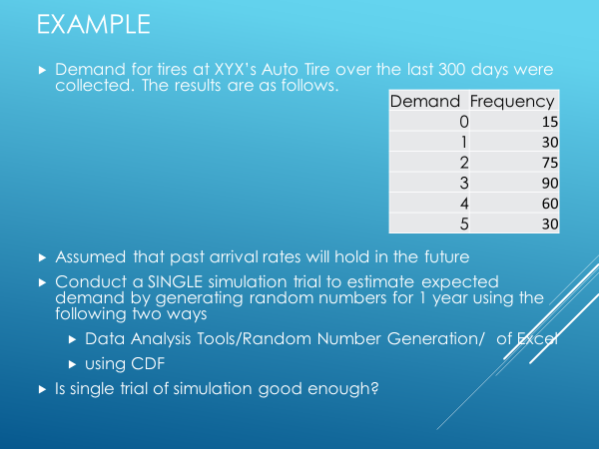
Demand | Frequency | Probability | Cumulative Probability
0 | 15
1 | 30
2 | 75
3 | 90
4 | 60
5 | 30
# days | 300

1st way RNG
This uses Data Analysis/RNG tool
Demand | Probability | simulated demand
0 | 0
1 | 0
2 | 0
3 | 0
4 | 0
5 | 0

E(x) =>

